Statistics & Notes
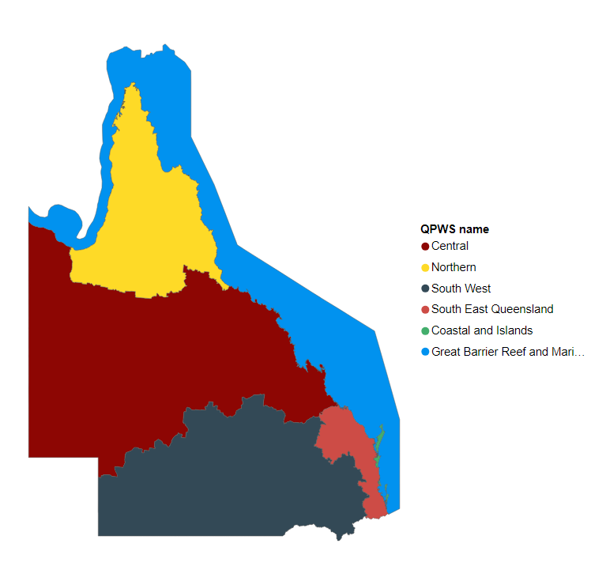
Queenlsand threatened and non-threatened species counts as at 22 May 2026
Group | Extinct | Extinct in the Wild | Critically endangered | Endangered | Vulnerable | Total threatened species | Near threatened | Total incl. near threatened
Amphibians | 1 | 3 | 11 | 5 | 14 | 34 | 3 | 37
Birds | 0 | 1 | 8 | 26 | 42 | 77 | 5 | 82
Fish | 0 | 0 | 5 | 14 | 3 | 22 | 1 | 23
Invertebrates | 0 | 0 | 8 | 15 | 6 | 29 | 0 | 29
Mammals | 5 | 5 | 1 | 22 | 25 | 58 | 6 | 64
Reptiles | 0 | 0 | 17 | 21 | 18 | 56 | 17 | 73
Total Fauna | 6 | 9 | 50 | 103 | 108 | 276 | 32 | 308
Ferns & allies | 0 | 7 | 14 | 13 | 25 | 59
Cycads | 0 | 0 | 2 | 10 | 13 | 25
Flowering plants | 0 | 4 | 129 | 216 | 355 | 704
Green algae | 0 | 0 | 1 | 0 | 0 | 1
Total Flora | 0 | 11 | 146 | 239 | 393 | 789 | 257 | 1046
TOTALS | 6 | 20 | 196 | 342 | 501 | 1065 | 289 | 1354

Notes:
Enquiries to the Qld Species Technical Committee: speciestechnical.committee@detsi.qld.gov.au
Threatened Fauna and Threatened Flora sheets display locations of species by Qld Parks & Wildlife Services (QPWS) regions. These locations are based on modelled potential habitat and therefore are to be used as a guide only and may not be completely accurate.
QPWS Regions are outlined on the below map:

